Chem - ODS
Canada Base Year Emissions
11010.98 | kt CO2e

 | 2015 | 2016 | 2017 | 2018 | 2019 | 2020 | 2021 | 2022 | 2023 | 2024 | 2025 | 2026 | 2027 | 2028 | 2029 | 2030 | 2031 | 2032 | 2033 | 2034 | 2035 | 2036 | 2037 | 2038 | 2039 | 2040 | 2041 | 2042 | 2043 | 2044 | 2045 | 2046 | 2047 | 2048 | 2049 | 2050
Total (t CO2e) | 1.10E+07 | 1.23E+07 | 1.37E+07 | 1.50E+07 | 1.48E+07 | 1.51E+07 | 1.51E+07 | 1.57E+07 | 1.60E+07 | 1.62E+07 | 1.65E+07 | 1.64E+07 | 1.73E+07 | 1.67E+07 | 1.59E+07 | 1.48E+07 | 1.53E+07 | 1.58E+07 | 1.52E+07 | 1.43E+07 | 1.34E+07 | 1.29E+07 | 1.27E+07 | 9.80E+06 | 9.50E+06 | 9.10E+06 | 9.10E+06 | 9.10E+06 | 9.10E+06 | 9.10E+06 | 9.10E+06 | 9.10E+06 | 9.10E+06 | 9.10E+06 | 9.10E+06 | 9.10E+06

Reductions for Kigali | 0 | 0 | 0 | 0 | 8.00E+05 | 1.20E+06 | 1.70E+06 | 1.70E+06 | 2.00E+06 | 2.40E+06 | 2.90E+06 | 3.40E+06 | 3.70E+06 | 4.40E+06 | 5.80E+06 | 7.40E+06 | 8.30E+06 | 9.40E+06 | 1.03E+07 | 1.16E+07 | 1.30E+07 | 1.41E+07 | 1.50E+07 | 1.59E+07 | 1.68E+07 | 1.77E+07 | 1.87E+07 | 1.97E+07 | 2.07E+07 | 2.17E+07 | 2.28E+07 | 2.40E+07 | 2.52E+07 | 2.64E+07 | 2.77E+07 | 2.90E+07

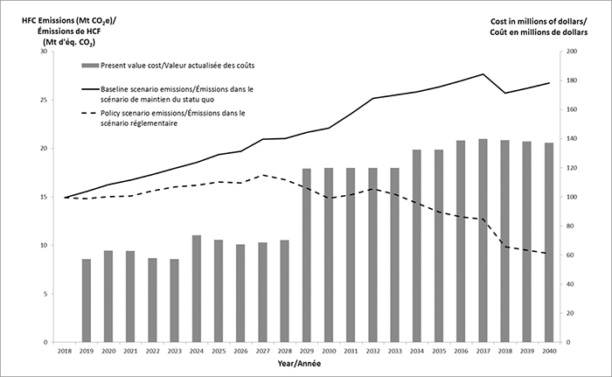

 |  |  |  |  |  |  | Kigali | No kigali
 |  |  |  |  |  | 2017
 |  |  |  |  |  | 2018 | 15 | 15
 |  |  |  |  |  | 2019 | 14.8 | 15.6
 |  |  |  |  |  | 2020 | 15.1 | 16.3
 |  |  |  |  |  | 2021 | 15.1 | 16.8
 |  |  |  |  |  | 2022 | 15.7 | 17.4
 |  |  |  |  |  | 2023 | 16 | 18
 |  |  |  |  |  | 2024 | 16.2 | 18.6
 |  |  |  |  |  | 2025 | 16.5 | 19.4
 |  |  |  |  |  | 2026 | 16.4 | 19.8
 |  |  |  |  |  | 2027 | 17.3 | 21
 |  |  |  |  |  | 2028 | 16.7 | 21.1
 |  |  |  |  |  | 2029 | 15.9 | 21.7
 |  |  |  |  |  | 2030 | 14.8 | 22.2
 |  |  |  |  |  | 2031 | 15.3 | 23.6
 |  |  |  |  |  | 2032 | 15.8 | 25.2
 |  |  |  |  |  | 2033 | 15.2 | 25.5
 |  |  |  |  |  | 2034 | 14.3 | 25.9
 |  |  |  |  |  | 2035 | 13.4 | 26.4
 |  |  |  |  |  | 2036 | 12.9 | 27
 |  |  |  |  |  | 2037 | 12.7 | 27.7
 |  |  |  |  |  | 2038 | 9.8 | 25.7
 |  |  |  |  |  | 2039 | 9.5 | 26.3
 |  |  |  |  |  | 2040 | 9.1 | 26.8
 |  |  |  |  |  | 2041 | 9.1 | 27.8
 |  |  |  |  |  | 2042 | 9.1 | 28.8
 |  |  |  |  |  | 2043 | 9.1 | 29.8
 |  |  |  |  |  | 2044 | 9.1 | 30.8
 |  |  |  |  |  | 2045 | 9.1 | 31.9
 |  |  |  |  |  | 2046 | 9.1 | 33.1
 |  |  |  |  |  | 2047 | 9.1 | 34.3
 |  |  |  |  |  | 2048 | 9.1 | 35.5
 |  |  |  |  |  | 2049 | 9.1 | 36.8
 |  |  |  |  |  | 2050 | 9.1 | 38.1

